Figure1
Economic Activity |  | Total | percentage | Chart (1) Percentage distribution of establishments at tourism characteristic industries by type of activity 2016
1 | Accommodation for Visitors | 52,479
2 | Food and Beverage Serving Activities | 67,862
3 | Passenger rail transport | 6
4 | Passenger road transport | 1,583
5 | Passenger water transport | 35
6 | Passenger air transport | 283
7 | Transport equipment rental | 3,595
8 | Travel agencies and reservation services | 2,713
9 | Cultural activities | 459
10 | Sports and recreational activities | 1,439
11 | Other KSA-Specific Tourism Characteristic Industries | 215
Total |  | 78,190

Figure2
Economic activity | Less than 6 workers | 6 - 49 workers | 50 - 249 workers | 250 workers and more | Total | النشاط الاقتصادي
Total | 94,961 | 28,220 | 6,808 | 680 | 130,669 | الإجمالي

Chart (2) Percentage distribution of establishments at tourism characteristic industries by size of establishment 2016

Figure3
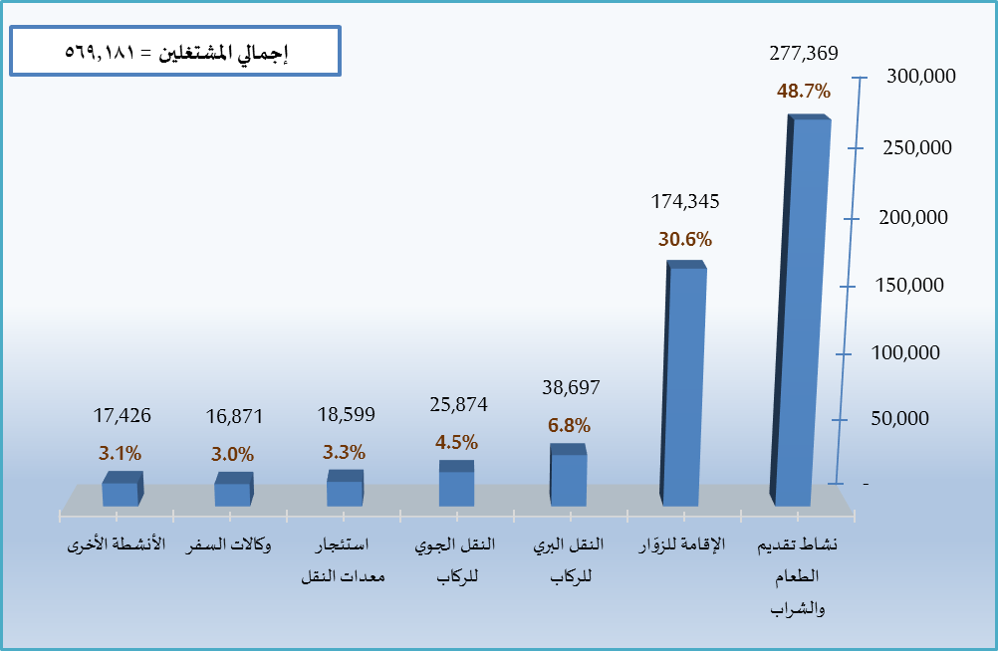
Economic Activity |  | Total | Chart (3) Percentage distribution of workers at tourism characteristic industries by type of industry 2016
1 | Food and Beverage Serving Activities | 277,369
2 | Accommodation for Visitors | 174,344
3 | Passenger road transport | 38,697
4 | Passenger air transport | 25,873
5 | Transport equipment rental | 18,599
6 | Travel agencies and reservation services | 16,872
7 | Sports and recreational activities | 11,690
8 | Other Tourism Characteristic Industries | 2,963
9 | Cultural activities | 1,514
10 | Passenger rail transport | 997
11 | Passenger water transport | 263
Total |  | 569,181

Figure4
 | Table (4)
 | Total number of workers by establishment size category and economic activity 2016

Economic activity |  | Less than 6 workers | 6 - 49 workers | 50 - 249 workers | 250 workers and more | Total | Economic Activity
Total |  | 181,620 | 216,021 | 100,674 | 70,866 | 569,181 | الإجمالي

Figure5
 | Table (5)
 | Number of workers (Saudi and non-Saudi) by economic activity and gender 2016

Economic activity |  | Economic Activity | Non-Saudi | Total | النشاط الاقتصادي
Total |  | 134,369 | 434,812 | 569,181 | الإجمالي

 |  |  |  |  |  | Chart (5) Percentage of labor nationalization at tourism characteristic industries 2016

Figure6
 | Saudi | Non-Saudi | Chart (6) Percentage of labor nationalization at tourism characteristic industries by type of industry 2016
Accommodation for Visitors | 30% | 70%
Food and Beverage Serving Activities | 12% | 88%
Passenger rail transport | 71% | 29%
Passenger road transport | 35% | 65%
Passenger water transport | 17% | 83%
Passenger air transport | 69% | 31%
Transport equipment rental | 30% | 70%
Travel Agencies | 31% | 69%
Cultural activities | 26% | 74%
Sports and recreational activities | 44% | 56%
Other Tourism Characteristic Industries | 45% | 55%

Figure7
Male | Female | Chart (7) Percentage distribution of workers at tourism characteristic industries by gender 2016
561,486 | 9,715

Figure8
Activity | Male | Female | Total | Percentage of Males | Percentage of Females | Chart (8) Percentage distribution of workers at tourism characteristic industries by industry type 2016
Accommodation for Visitors | 173,064 | 1,279 | 174,343 | 99.3% | 0.7%
Food and Beverage Serving Activities | 274,678 | 2,691 | 277,369 | 99.0% | 1.0%
Passenger rail transport | 997 | 0 | 997 | 100% | 0%
Passenger road transport | 38,697 | 0 | 38,697 | 100% | 0%
Passenger water transport | 263 | 0 | 263 | 100% | 0%
Passenger air transport | 23,233 | 2,641 | 25,874 | 89.8% | 10.2%
Transport equipment rental | 18,346 | 253 | 18,599 | 98.6% | 1.4%
Travel Agencies | 16,804 | 68 | 16,872 | 99.6% | 0.4%
Cultural activities | 1,504 | 10 | 1,514 | 99.3% | 0.7%
Sports and recreational activities | 8,917 | 2,773 | 11,690 | 76.3% | 23.7%
Other Tourism Characteristic Industries | 2,963 | 0 | 2,963 | 100% | 0%

Figure9
Economic Activity | Number of Females | Chart (8) Percentage distribution of workers at tourism characteristic industries by industry type 2016
Accommodation for Visitors | 1,279
Food and Beverage Serving Activities | 2,691
Passenger rail transport | 0
Passenger road transport | 0
Passenger water transport | 0
Passenger air transport | 2,641
Transport equipment rental | 253
Travel Agencies | 68
Cultural activities | 10
Sports and recreational activities | 2,773
Other Tourism Characteristic Industries | 0

Figure10
Workers Remunerations= 22.014.255 thousand SAR
الإقامة للزوّار | 5914205.1845
نشاط تقديم الطعام والشراب | 9155102
نقل الركاب بالسكك الحديدية | 81689
النقل البري للركاب | 989888
النقل المائي للركاب | 8177.2887324
النقل الجوي للركاب | 3836102.9859
استئجار معدات النقل | 598252
وكالات السفر | 905924
الأنشطة الثقافية | 49857
الأنشطة الرياضية والترفيهية | 379056.62207
الأنشطةالأخرى المميزة للسياحة | 96000.733333
Economic Activity |  | Total | Chart (10) Percentage distribution of remunerations of workers at tourism characteristic industries by type of industry 2016
1 | Accommodation for Visitors | 5,914,206
2 | Food and Beverage Serving Activities | 9,155,103
3 | Passenger rail transport | 81,689
4 | Passenger road transport | 989,888
5 | Passenger water transport | 8,177
6 | Passenger air transport | 3,836,103
7 | Transport equipment rental | 598,252
8 | Travel agencies and reservation services | 905,924
9 | Cultural activities | 49,857
10 | Sports and recreational activities | 379,057
11 | Other Tourism Characteristic Industries | 96,001
Total |  | 22,014,257

Figure11
 | Workers | Remunerations
Food and Beverage Serving Activities | 0.4873123792 | 0.41587153765
Accommodation for Visitors | 0.30630852445 | 0.26865343544
Passenger road transport | 0.045457952465 | 0.17425540943
Passenger air transport | 0.067987255143 | 0.044965773693
Transport equipment rental | 0.029640406293 | 0.041151699553
Travel agencies and reservation services | 0.032677359857 | 0.027175664361
Sports and recreational activities | 0.020538655405 | 0.017218689674
Other Tourism Characteristic Industries | 0.010077467184 | 0.010707790205
Cultural activities
Passenger rail transport
Passenger water transport
Economic Activity |  | Workers | Remunerations | Chart (11) The relation between the percentage of workers at each industry out of the total number and the remunerations they receive 2016
1 | Food and Beverage Serving Activities | 277,369 | 9,155,103
2 | Accommodation for Visitors | 174,344 | 5,914,206
3 | Passenger road transport | 38,697 | 989,888
4 | Passenger air transport | 25,875 | 3,836,103
5 | Transport equipment rental | 18,599 | 598,252
6 | Travel agencies and reservation services | 16,871 | 905,924
7 | Sports and recreational activities | 11,690 | 379,057
8 | Other Tourism Characteristic Industries | 2,962 | 96,001
9 | Cultural activities | 1,514 | 49,857
10 | Passenger rail transport | 997 | 81,689
11 | Passenger water transport | 263 | 8,177
Total |  | 569,181 | 22,014,257

Figure12
 | Table (8)
 | Total number of workers remunerations by establishment size category and economic activity 2016
 | (Thousand Riyals)

النشاط الاقتصادي |  | Less than 6 workers | 6 - 49 workers | 50 - 249 workers | 250 workers and more | Total | Economic activity | Chart (12) Distribution of workers remunerations at tourism characteristic industries by establishment size 2016
الإجمالي |  | 10,378,855 | 5,151,941 | 2,241,824 | 4,241,636 | 22,014,256 | Total

Figure13
Economic Activity |  | Salaries and wages: | Benefits and allowances | Total | Economic activity |  | Chart (13) Percentage distribution of remunerations of workers at tourism characteristic industries 2016
1 | Accommodation for Visitors | 3,951,449 | 1,962,757 | 5,914,206 | الإقامة للزوّار | 1
 | a. Accommodation Services For Visitors | 1,988,403 | 1,230,204 | 3,218,607 | أ - خدمات الإقامة للزوّار
 | b. Accommodation Services Associated with all types of VHO | 1,963,046 | 732,553 | 2,695,599 | ب- خدمات الإقامة المصاحبة
2 | Food and Beverage Serving Activities | 8,434,594 | 720,509 | 9,155,103 | نشاط تقديم الطعام والشراب | 2
3 | Railways Passenger Transport | 65,351 | 16,338 | 81,689 | نقل الركاب بالسكك الحديدية | 3
4 | Road Passenger Transport | 628,990 | 360,898 | 989,888 | النقل البري للركاب | 4
5 | Water Passenger Transport | 7,351 | 826 | 8,177 | النقل المائي للركاب | 5
6 | Air Passenger Transport | 2,973,314 | 862,789 | 3,836,103 | النقل الجوي للركاب | 6
7 | Transport Equipment Rental | 550,954 | 47,298 | 598,252 | استئجار معدات النقل | 7
8 | Travel Agencies and other Reservation Service Activities | 787,477 | 118,447 | 905,924 | وكالات السفر وخدمات الحجز | 8
9 | Cultural Activities | 47,509 | 2,348 | 49,857 | الأنشطة الثقافية | 9
10 | Sports and Recreational Activities | 331,824 | 47,233 | 379,057 | الأنشطة الرياضية والترفيهية | 10
11 | Other KSA-Specific Tourism Characteristic Activities | 88,437 | 7,564 | 96,001 | الأنشطةالأخرى المميزة للسياحة | 11
Total |  | 17,867,250 | 4,147,007 | 22,014,257 | الإجمالي

Figure14
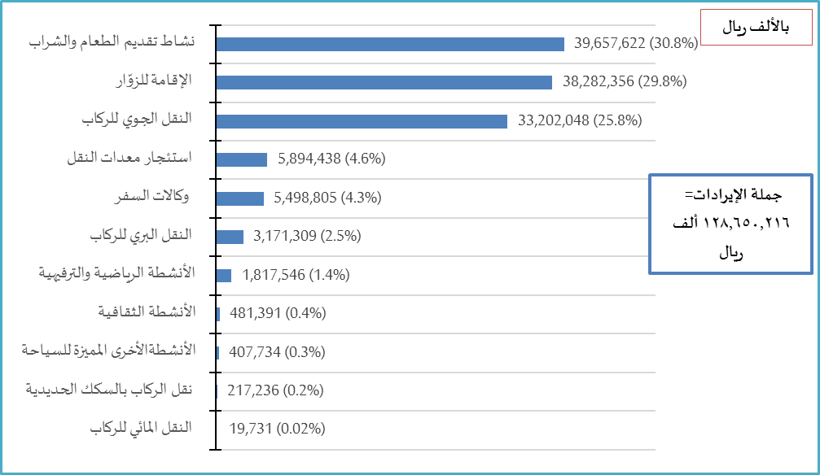
Economic Activity | Revenues | Chart (14) Distribution of operational revenues of tourism characteristic industries 2016
Food and Beverage Serving Activities | 39,657,622
Accommodation for Visitors | 38,282,356
Passenger air transport | 33,202,048
Transport equipment rental | 5,894,438
Travel Agencies | 5,498,805
Passenger road transport | 3,171,309
Sports and recreational activities | 1,817,546
Cultural activities | 481,391
Other Tourism Characteristic Industries | 407,734
Passenger rail transport | 217,236
Passenger water transport | 19,731
Total | 128,650,216

Total Revenues= 128.650.216

Figure15
النشاط الاقتصادي |  | Less than 6 workers | 6 - 49 workers | 50 - 249 workers | 250 workers and more | Total | Economic activity |  | Chart (15) Distribution of operational revenues of tourism characteristic industries by establishment size 2016
1 | Accommodation for Visitors | 6,102,396 | 17,779,690 | 11,836,571 | 2,563,699 | 38,282,356 | الإقامة للزوّار | 1
 | a. Accommodation Services For Visitors | 3,517,555 | 6,163,084 | 6,102,677 | 2,473,609 | 18,256,925 | أ - خدمات الإقامة للزوّار
 | b. Accommodation Services Associated with all types of VHO | 2,584,841 | 11,616,606 | 5,733,894 | 90,090 | 20,025,431 | ب- خدمات الإقامة المصاحبة
2 | Food and Beverage Serving Activities | 22,316,868 | 11,944,098 | 1,590,498 | 3,806,158 | 39,657,622 | نشاط تقديم الطعام والشراب | 2
3 | Railways Passenger Transport | 0 | 0 | 0 | 217,236 | 217,236 | نقل الركاب بالسكك الحديدية | 3
4 | Road Passenger Transport | 212,955 | 2,059,424 | 349,090 | 549,840 | 3,171,309 | النقل البري للركاب | 4
5 | Water Passenger Transport | 0 | 18,752 | 979 | 0 | 19,731 | النقل المائي للركاب | 5
6 | Air Passenger Transport | 26,130 | 1,560 | 506,099 | 32,668,259 | 33,202,048 | النقل الجوي للركاب | 6
7 | Transport Equipment Rental | 1,749,980 | 2,555,298 | 1,589,160 | 0 | 5,894,438 | استئجار معدات النقل | 7
8 | Travel Agencies and other Reservation Service Activities | 1,631,117 | 3,375,951 | 491,737 | 0 | 5,498,805 | وكالات السفر وخدمات الحجز | 8
9 | Cultural Activities | 217,091 | 258,940 | 5,360 | 0 | 481,391 | الأنشطة الثقافية | 9
10 | Sports and Recreational Activities | 355,779 | 726,223 | 735,544 | 0 | 1,817,546 | الأنشطة الرياضية والترفيهية | 10
11 | Other KSA-Specific Tourism Characteristic Activities | 85,541 | 47,655 | 274,538 | 0 | 407,734 | الأنشطةالأخرى المميزة للسياحة | 11
Total |  | 32,697,857 | 38,767,591 | 17,379,576 | 39,805,192 | 128,650,216 | الإجمالي

Figure16
Total expenditures= 60.879.099
Economic Activity | Expenditure: | Chart (16) Distribution of operational expenditures of tourism characteristic industries 2016
Food and Beverage Serving Activities | 20,790,271
Passenger air transport | 16,299,988
Accommodation for Visitors | 15,967,434
Travel Agencies | 2,671,880
Transport equipment rental | 2,481,323
Passenger road transport | 1,623,400
Sports and recreational activities | 639,783
Cultural activities | 240,314
Passenger rail transport | 129,936
Other Tourism Characteristic Industries | 28,167
Passenger water transport | 6,603
Total | 60,879,099

Figure17
Total expenditures= 60.879.099
النشاط الاقتصادي |  | Less than 6 workers | 6 - 49 workers | 50 - 249 workers | 250 workers and more | Total | Economic activity |  | Chart (17) Distribution of operational expenditures of tourism characteristic industries by establishment size 2016
1 | Accommodation for Visitors | 7,360,780 | 4,633,685 | 2,460,191 | 1,512,778 | 15,967,434 | الإقامة للزوّار | 1
 | a. Accommodation Services For Visitors | 1,891,015 | 3,527,572 | 2,301,390 | 995,698 | 8,715,675 | أ - خدمات الإقامة للزوّار
 | b. Accommodation Services Associated with all types of VHO | 5,469,765 | 1,106,113 | 158,801 | 517,080 | 7,251,759 | ب- خدمات الإقامة المصاحبة
2 | Food and Beverage Serving Activities | 7,327,998 | 12,063,145 | 1,399,128 | 0 | 20,790,271 | نشاط تقديم الطعام والشراب | 2
3 | Railways Passenger Transport | 0 | 0 | 0 | 129,936 | 129,936 | نقل الركاب بالسكك الحديدية | 3
4 | Road Passenger Transport | 24,316 | 250,245 | 459,631 | 889,208 | 1,623,400 | النقل البري للركاب | 4
5 | Water Passenger Transport | 1,552 | 4,069 | 982 | 0 | 6,603 | النقل المائي للركاب | 5
6 | Air Passenger Transport | 212,303 | 1,494,870 | 182,150 | 14,410,665 | 16,299,988 | النقل الجوي للركاب | 6
7 | Transport Equipment Rental | 1,620,290 | 518,496 | 342,337 | 200 | 2,481,323 | استئجار معدات النقل | 7
8 | Travel Agencies and other Reservation Service Activities | 2,125,276 | 306,675 | 239,929 | 0 | 2,671,880 | وكالات السفر وخدمات الحجز | 8
9 | Cultural Activities | 96,235 | 133,105 | 10,974 | 0 | 240,314 | الأنشطة الثقافية | 9
10 | Sports and Recreational Activities | 327,011 | 209,427 | 103,345 | 0 | 639,783 | الأنشطة الرياضية والترفيهية | 10
11 | Other KSA-Specific Tourism Characteristic Activities | 14,094 | 10,923 | 3,150 | 0 | 28,167 | الأنشطةالأخرى المميزة للسياحة | 11
الإجمالي |  | 19,109,855 | 19,624,640 | 5,201,817 | 16,942,787 | 60,879,099 | Total

Figure18
Obstacles that faced establishing or operating the industry
Obstacles that faced establishing or operating the industry |  | Yes | No | Chart (18) Opinions of tourist establishments on the principal constraints that faced them upon establishing or operating the industry 2016
1 | Availability of trained manpower | 31% | 69%
2 | Electricity rates | 23% | 77%
3 | Obtaining trade licenses and permits | 23% | 77%
4 | Sustainable electricity supply (without interruptions) | 21% | 79%
5 | water rates | 20% | 80%
6 | Government and bureaucratic procedures | 20% | 80%
7 | Security and stability | 19% | 81%
8 | Access to funding | 18% | 82%
9 | Fuel rates | 15% | 85%
10 | To get a phone line and Internet (telecommunications) | 15% | 85%
11 | Business official inspection procedures | 14% | 86%
12 | Sustainable fuel supply (without interruptions) | 13% | 87%
13 | Sustainable water supply (without interruptions) | 12% | 88%
14 | Labor laws and regulations | 11% | 89%
15 | Obtaining a location \ Renting the building | 10% | 90%

Figure19
Trip Type |  | الرحلات المحلية | الرحلات الدولية الوافده | الرحلات الدولية المغادرة | الجملة
 |  | Local trips | International trips | International trips | Total
1 | Trips within a full package | 7.1% | 11.1% | 13.2% | 31.4%
2 | Trips without a full package | 14.2% | 26.7% | 27.8% | 68.6%
Total sold trips |  | 21.3% | 37.7% | 41.0% | 100%
Trips Distribution by Trip Type

Figure20
 | Occupation percentage | يناير | فبراير | مارس | أبريل | مايو | يونيو | يوليو | أغسطس | سبتمبر | أكتوبر | نوفمبر | ديسمبر | المتوسط السنوي
 |  | Jan | Feb | Mar | Apr | May | June | July | Aug | Sep | Oct | Nov | Dec | Ave.
1 | Furnished Units | 66.9% | 65.1% | 72.3% | 67.1% | 64.4% | 70.6% | 74.3% | 70.1% | 68.4% | 65.8% | 68.1% | 68.9% | 68.5%
2 | Hotels | 57.1% | 57.7% | 68.6% | 61.2% | 68.2% | 72.6% | 74.1% | 70.7% | 68.0% | 58.7% | 58.9% | 65.6% | 65.1%
 |  | 59.0% | 59.1% | 69.3% | 62.3% | 67.5% | 72.2% | 74.2% | 70.6% | 68.1% | 60.1% | 58.4% | 66.2% | 65.6%

Percentages of monthly occupation of accommodation units
 | Furnished Units | Hotels
Jan | 0.66902944976 | 0.5708598067
Feb | 0.65094493232 | 0.5770878553
Mar | 0.72330471218 | 0.6857881137
Apr | 0.67122177693 | 0.61154263566
May | 0.64421031967 | 0.68211733783
June | 0.70598928641 | 0.72550623849
July | 0.74329902463 | 0.74132790097
Aug | 0.70077416837 | 0.70708441179
Sep | 0.68425523678 | 0.67970104154
Oct | 0.65836020717 | 0.58683253291
Nov | 0.68070469069 | 0.5887746114
Dec | 0.68889995561 | 0.65555555556
 | 0.68516231387 | 0.65095061612

Figure21
 | Occupation percentage | يناير | فبراير | مارس | أبريل | مايو | يونيو | يوليو | أغسطس | سبتمبر | أكتوبر | نوفمبر | ديسمبر | المتوسط السنوي
 |  | Jan | Feb | Mar | Apr | May | June | July | Aug | Sep | Oct | Nov | Dec | Ave.
1 | Furnished Units | 280 | 319 | 334 | 300 | 376 | 389 | 404 | 365 | 347 | 318 | 351 | 279 | 335
2 | Hotels | 341 | 407 | 391 | 367 | 424 | 506 | 519 | 445 | 416 | 398 | 434 | 318 | 417
Accommodation unit |  | 328 | 388 | 379 | 354 | 415 | 483 | 497 | 430 | 403 | 388 | 404 | 310 | 401

Daily price average of accommodation units by month
 | Furnished Units | Hotels
Jan | 279.68917625 | 341.25492258
Feb | 318.58755649 | 407.03224781
Mar | 333.76460613 | 390.62068576
Apr | 300.2406199 | 367.46428526
May | 375.62429106 | 423.54158844
June | 388.70802797 | 505.66509405
July | 403.66407122 | 519.36931462
Aug | 364.70749331 | 445.26449077
Sep | 347.37857715 | 416.25426954
Oct | 318.38680257 | 398.23504965
Nov | 351.37214058 | 433.85093304
Dec | 278.75594424 | 318.06832085
 | 334.66771454 | 417.02962896

Figure22
 | Average | يناير | فبراير | مارس | أبريل | مايو | يونيو | يوليو | أغسطس | سبتمبر | أكتوبر | نوفمبر | ديسمبر | المتوسط السنوي
 |  | Jan | Feb | Mar | Apr | May | June | July | Aug | Sep | Oct | Nov | Dec | Ave.
1 | Furnished Units | 231 | 207 | 198 | 202 | 242 | 274 | 268 | 256 | 270 | 210 | 223 | 192 | 231
2 | Hotels | 208 | 235 | 242 | 225 | 289 | 367 | 359 | 315 | 335 | 260 | 255 | 209 | 275
Accommodation unit |  | 212 | 230 | 234 | 220 | 280 | 349 | 341 | 303 | 322 | 250 | 249 | 205 | 266

Rate of revenue of accommodation units by month
 | Furnished Units | Hotels
Jan | 230.54050563 | 207.74358948
Feb | 207.3829554 | 234.89336693
Mar | 197.99330243 | 242.04322997
Apr | 201.5280424 | 224.72007752
May | 241.98104462 | 288.90506077
June | 274.42370329 | 366.86318032
July | 267.710298 | 359.07219245
Aug | 255.57759032 | 314.83958055
Sep | 269.95506258 | 334.66928044
Oct | 209.6132013 | 259.58691538
Nov | 223.39209016 | 254.78036176
Dec | 192.03495762 | 208.51145478
 | 231.10865647 | 274.64287013

